TreeHashMap
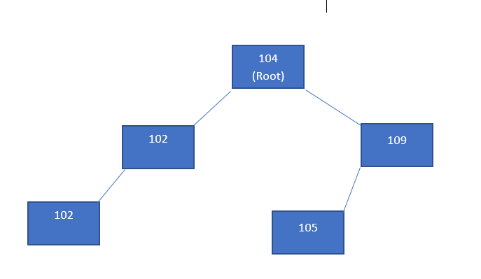
Q |  |  |  | 104 | 102 | 109 | 105 | 101
505
101 |  | FIFO |  |  |  | 104 (Root) |  |  | 102 is smaller than 104, so it wil go left of 104
102 |  | LIFO |  | 102 (Left) |  |  |  | 109 (Right) | 109 is bigger than 104, so it will go right of 104
103 |  |  | 101 (Left) |  |  |  | 105 (Left) |  | 105 is bigger than 104, so it will go right of 104, next 105 is smaller than 109, so it will go left of 109
110 | addLast |  |  |  |  |  |  |  | 101 is smaller than 104, so it will go left of 104, next 101 is smaller than 102, so it will go left of 102
107

